TestSummary
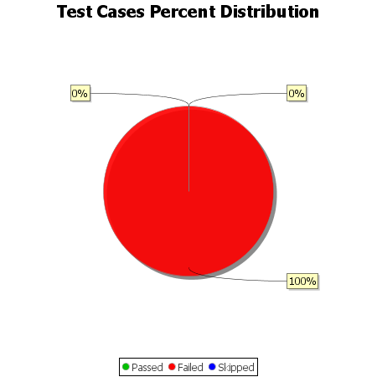
Total Test Cases | 18
Test Cases Passed | 0
Test Cases Failed | 18
Test Cases Skipped | 0

